Title Page
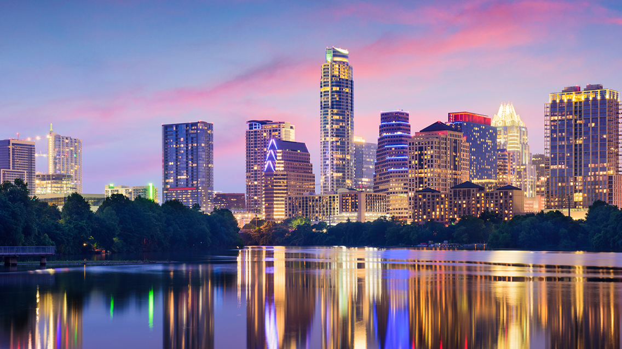
Best City to Live in the United States

Dashboard
Ranking of cities on Social, Environmental, and Economic factors
 | Social Health | Environmental Health | Economic Health | Overall Ranking of the City
Boston | 41 | 45 | 22 | 34
Chicago | 74 | 67 | 45 | 60
Houston | 79 | 68 | 37 | 59
Los Angeles | 49 | 60 | 47 | 54
Miami | 89 | 47 | 41 | 50
New Orleans | 93 | 44 | 59 | 61
New York | 77 | 33 | 8 | 26
San Francisco | 54 | 53 | 12 | 39
Washington | 67 | 48 | 21 | 44
Rent of Accomodation - 1BHK/ Month
 | Total
Boston | $1,877.31
Chicago | $1,330.55
Houston | $1,002.84
Los Angeles | $1,612.62
Miami | $1,400.80
New Orleans | $1,002.56
New York | $2,171.68
San Francisco | $2,149.04
Washington | $1,666.66
Temperature
Air Quality
Water Pollution




 | (High) | (Low) | 78.24 | 32.91
 | 59 | 45

Day to Day Living Expenses
 | Coffee: Average Coffee Price | Taxi/Cab: Average price of Taxi (per km) | Drinks: Average price for 2 beers in a bar | Food: Average cost of a meal at a mid-level restaurant
Boston | $3.20 | $1.34 | $10.08 | $14.40
Chicago | $3.02 | $1.21 | $7.92 | $12.24
Houston | $2.80 | $1.03 | $7.20 | $10.80
Los Angeles | $3.39 | $1.21 | $10.08 | $14.40
Miami | $3.25 | $1.16 | $8.64 | $11.52
New Orleans | $3.25 | $1.54 | $5.02 | $12.51
New York | $3.48 | $1.34 | $10.58 | $14.40
San Francisco | $3.39 | $1.34 | $10.08 | $14.34
Washington | $3.30 | $1.87 | $8.60 | $10.75
Tourist Attractions
 | Total
Boston | 653
Chicago | 1411
Houston | 589
Los Angeles | 1375
Miami | 762
New Orleans | 1016
New York | 10269
San Francisco | 1490
Washington | 778
 | Average WiFi speed in Mbps | Average number of co-working spaces
Boston | 33 | 41
Chicago | 42 | 104
Houston | 60 | 62
Los Angeles | 58 | 105
Miami | 40 | 59
New Orleans | 45 | 16
New York | 37 | 272
San Francisco | 75 | 77
Washington | 68 | 59

 | Select the kind of life you are looking for:

Conclusion: Different people can have different choices on how they want to live. Overall, according to the three of us, we want to live in a city where there is high WiFi speed as well as more tourist attractions, and various number of co-working places, with a good social life. So, we are choosing New York since it has a more balanced lifestyle.

